ART
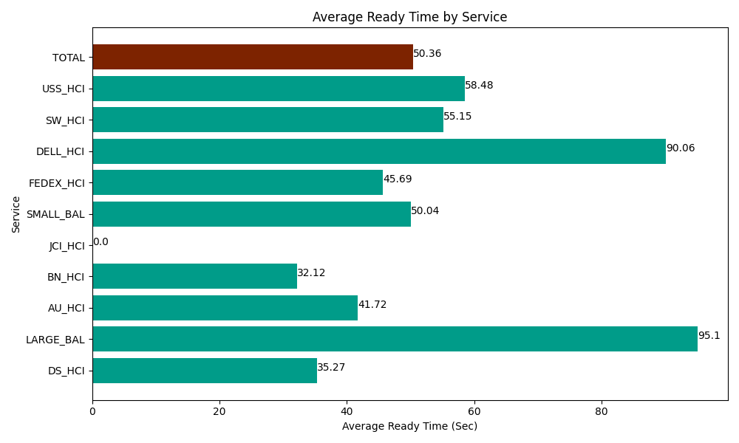
Date | Service | Successful Op Transfer | In Call (Sec) | Ready (Sec) | Wrapup (Sec) | Not Ready (Sec) | Average Ready Time (Sec)
04-26-2024 | DS_HCI | 623 | 36208.198242 | 21970.799561 | 70546.201172 | 62611.801758 | 35.27
04-26-2024 | LARGE_BAL | 2 | 145.80000401 | 190.20000458 | 358.19998741 | 16.800000072 | 95.1
04-26-2024 | AU_HCI | 207 | 19264.799194 | 8635.1998901 | 26131.199341 | 23807.999268 | 41.72
04-26-2024 | BN_HCI | 1278 | 65341.201172 | 41045.998535 | 110317.19971 | 64961.99707 | 32.12
04-26-2024 | JCI_HCI | 0 | 0 | 0 | 0 | 0 | 0
04-26-2024 | SMALL_BAL | 27 | 2147.9999542 | 1351.2000275 | 2365.8000183 | 5299.1999817 | 50.04
04-26-2024 | FEDEX_HCI | 74 | 7102.7998352 | 3380.9999084 | 6199.8001099 | 6208.8002014 | 45.69
04-26-2024 | DELL_HCI | 102 | 8170.1998901 | 9186.0003662 | 27837.000732 | 10875 | 90.06
04-26-2024 | SW_HCI | 128 | 5725.1998901 | 7059.0000916 | 8740.1998901 | 6555 | 55.15
04-26-2024 | USS_HCI | 250 | 32536.201172 | 14620.799561 | 23878.200073 | 20042.999268 | 58.48
 | TOTAL | 2691 | 176642.39935 | 107440.19794 | 276373.80103 | 200379.59755 | 50.36

